1-20
acl | git clone https://git.savannah.nongnu.org/git/acl.git | https://savannah.nongnu.org/git/?group=acl | 0 | 0 | 0.5 | 0 | 0.25 | 低

adcli | https://gitlab.freedesktop.org/realmd/adcli.git | 互联网搜集 | 日志分析 | 人工分析源代码 | 类比同类型工程
 |  |  | 无 | 无 | 无

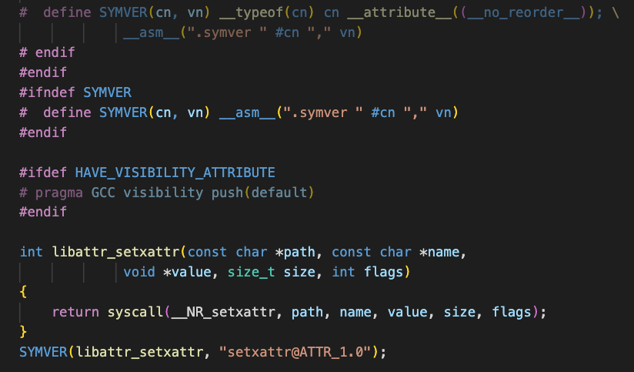
attr | git clone https://git.savannah.nongnu.org/git/attr.git | 互联网搜集 | 日志分析 | 人工分析源代码 | 类比同类型工程
 |  |  |  |  | 无

autoconf | git clone git://git.sv.gnu.org/autoconf | 互联网搜集 | 日志分析 | 人工分析源代码 | 类比同类型工程
 |  |  |  | 无 | 同类型有automake，跟他相似，都是pm的脚本文件， 不挑架构，且从移植的经验来看，automake和autoconf是可以直接在RISC-V编译运行

automake | git clone https://git.savannah.gnu.org/git/automake.git | 互联网搜集 | 日志分析 | 人工分析源代码 | 类比同类型工程
 |  |  | 无 | 无 | 已知移植经验可知他们不需要做什么修改

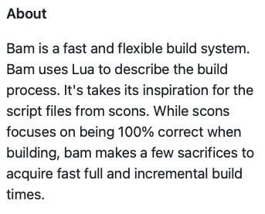
bam | https://github.com/matricks/bam.git | 互联网搜集 | 日志分析 | 人工分析源代码 | 类比同类型工程
 |  |  |  | 虽然有架构相关的判断，但是这个宏涉及 的函数和逻辑不复杂 | 没找到

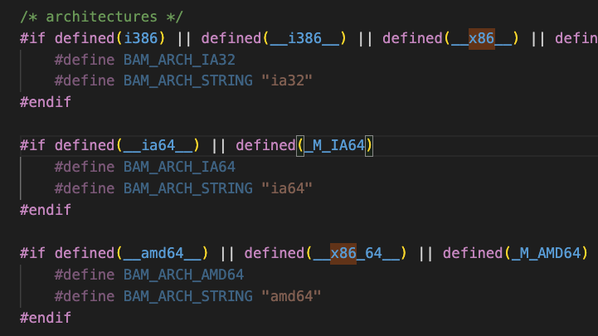

bash | git clone https://git.savannah.gnu.org/git/bash.git | 互联网搜集 | 日志分析 | 人工分析源代码 | 类比同类型工程
 |  |  | 没找到 | 没找到架构判断的内容，但是由于工程 文件不少，所以可以认为存在一定复杂度，毕竟可能调用了一些架构绑定的Syscall需要修改 | 在搜索同类型工程找到bash-it工程 并看到bash-it无法在树莓派上运行的issue，但是仔细看发现其实是因为提问者操作不当导致。基于这些经验，我认为这类工程在移植上不会有大问题

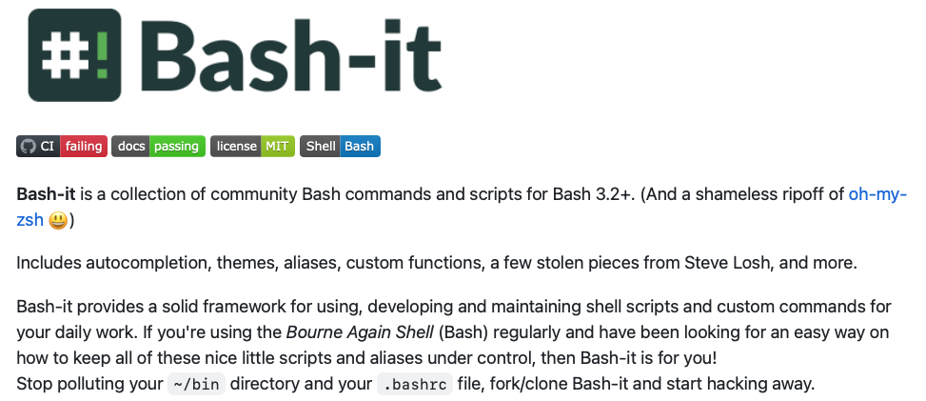

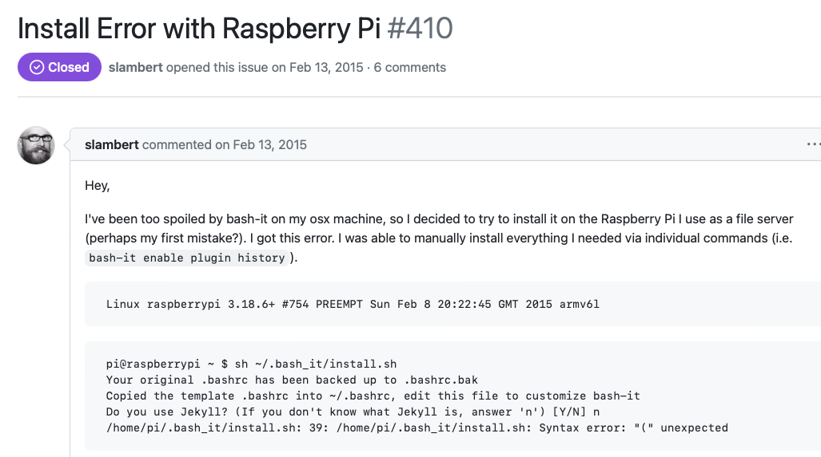

binutils | git clone https://sourceware.org/git/binutils-gdb.git | 互联网搜集 | 日志分析 | 人工分析源代码 | 类比同类型工程
 |  | https://www.jianshu.com/p/862f29713d18 这里 描述了很详细，这个工程很底层，包含了很多工具 | 日志也有很多，这里不做展示 | 这里光是宏就有很多，更包括测试、源代码 等等内容跟架构绑定，所以我认为这个工程移植很困难 | 同类型工程不知道，没找到

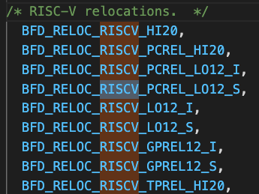

bison | git clone https://git.savannah.gnu.org/git/bison.git | 互联网搜集 | 日志分析 | 人工分析源代码 | 类比同类型工程
 |  | https://en.wikipedia.org/wiki/GNU_Bison | 日志没找到架构相关的内容 | 源码里有关于clang或gcc的编译器判断，但是没有针对架构的判断，我想这个工程是完全基于编译器和标准工具链设计的，移植难度应该不大 | 找到类似Jison和bisonc++的工程，他们也是做各种编程语言的语法检查的，他们都没有挑架构

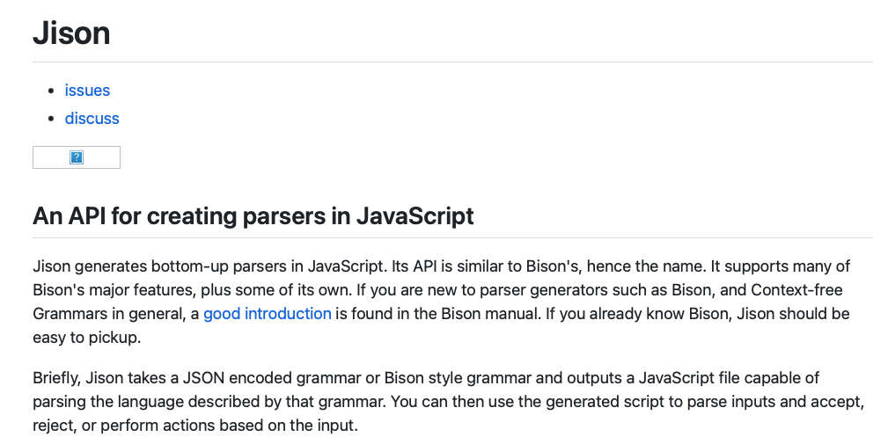

bubblewrap | https://github.com/containers/bubblewrap.git | 互联网搜集 | 日志分析 | 人工分析源代码 | 类比同类型工程
 |  | https://github.com/containers/bubblewrap |  | 源码里按照架构定义宏，然后选择不同的Syscall，但是涉及的范围不算大。整个工程不算复杂 | 在github上介绍了，跟docker类似，所以可以参考docker

 |  |  |  |  | https://kns.cnki.net/kcms2/article/abstract?v=3uoqIhG8C44YLTlOAiTRKibYlV5Vjs7iAEhECQAQ9aTiC5BjCgn0RuHBvdpRLBbrK9LMTiOoAbrqNWDs8MiFCXqZkpRYAB2y&uniplatform=NZKPT
 |  |  |  | 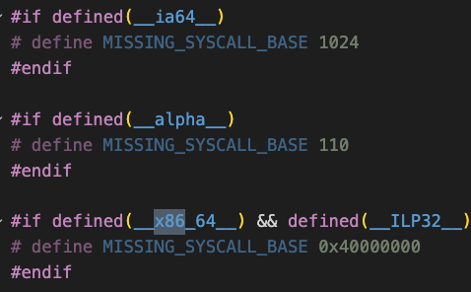 | https://kns.cnki.net/kcms2/article/abstract?v=3uoqIhG8C44YLTlOAiTRKibYlV5Vjs7iJTKGjg9uTdeTsOI_ra5_XQ-qfGHas6r_GDRCxZe0_WUkN6TFtBS1rdS6RwOo45-H&uniplatform=NZKPT 这篇文章讲了docker移植到龙芯，作者三人，做了一个软件的移植，可以认为这个软件难度在中等偏上

busybox | https://git.busybox.net/busybox | 互联网搜集 | 日志分析 | 人工分析源代码 | 类比同类型工程
 |  | https://baike.baidu.com/item/busybox/427860?fr=aladdin 包含了很多工具，应该比较复杂，跟架构内容会存在 | 没找到 | 存在对不同架构判断，给出分页大小的内容 类似代码不少 | 没找到类似工程

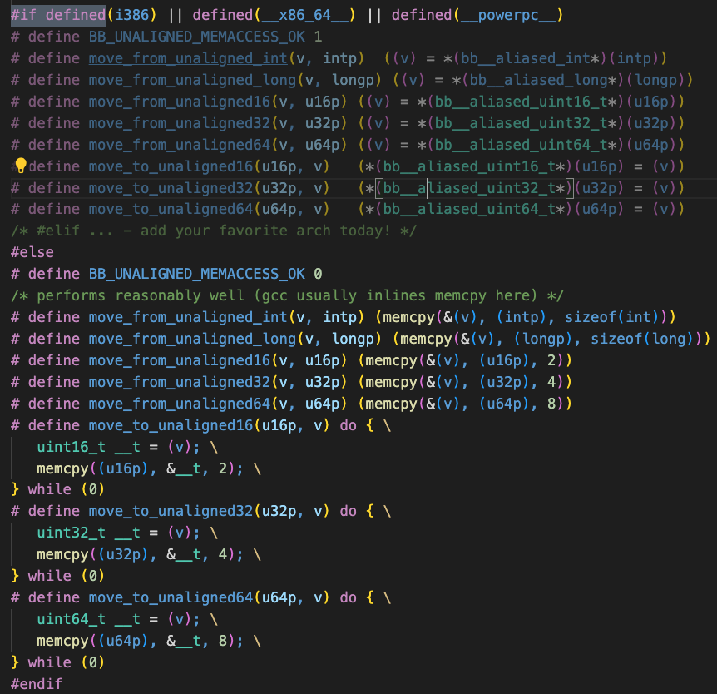

bzip2 | git clone git://sourceware.org/git/bzip2.git | 互联网搜集 | 日志分析 | 人工分析源代码 | 类比同类型工程
 |  | https://baike.baidu.com/item/bzip2/99453?fr=aladdin 属于压缩软件，上层用户软件 | 没有有用的信息 | 工程不大，二三十个文件，复杂度不会太高 代码里没有架构的内容，没有宏 | 类比工程有tar、xz之类的，都差不多，跟架构绑定不多

c-ares | https://github.com/c-ares/c-ares.git | 互联网搜集 | 日志分析 | 人工分析源代码 | 类比同类型工程
 |  | https://github.com/c-ares/c-ares 是网络方面的上层软件，应该跟架构绑定不严重 | 没有有用的信息 | 有架构判断的内容，但不多。但是工程还是比较大的 | 不清楚有什么同类型工程

check | https://github.com/libcheck/check.git | 互联网搜集 | 日志分析 | 人工分析源代码 | 类比同类型工程
 |  | https://github.com/libcheck/check C语言的单元测试框架，跟 架构应该没什么绑定，可能会有系统调用的使用 | https://github.com/libcheck/check/commit/97a99abc60e998881a41c9eca911263ddb061177 | 工程内容不多，架构相关的内容也没找到 | 不清楚有什么同类型工程
 |  |  | 这里Commit有x86架构的补丁，但是跟源代码没关系

cjson | https://github.com/DaveGamble/cJSON.git | 互联网搜集 | 日志分析 | 人工分析源代码 | 类比同类型工程
 |  | https://github.com/DaveGamble/cJSON ANSI C语言的json解析工具，处理对象是字符串，应该不会有架构绑定的内容。 | 没有 | 工程内容不多，有编译器的判断，没有架构的判断 | 相似的工程例如Python的json，java的fastjson，但是C语言下不清楚

ck | https://github.com/concurrencykit/ck.git | 互联网搜集 | 日志分析 | 人工分析源代码 | 类比同类型工程
 |  | https://github.com/concurrencykit/ck 根据介绍是个并发的程序，可能会有不同架构下的内存一致性问题 | 有关于架构的内容，但是比较少 | 工程内容不多，但是有比较大篇幅的架构相关的内容 | 不清楚有什么同类型工程

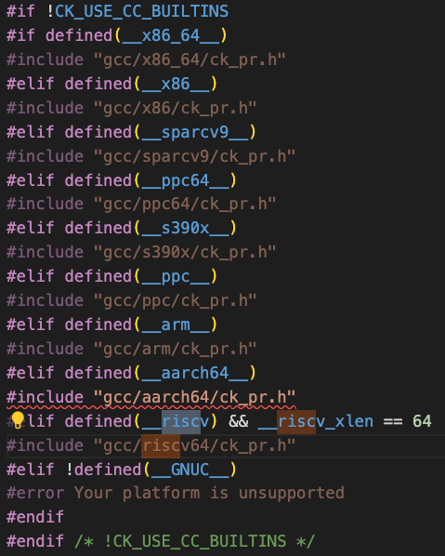

clucene-code | git clone https://git.code.sf.net/p/clucene/code clucene-code | 互联网搜集 | 日志分析 | 人工分析源代码 | 类比同类型工程
 |  | https://www.oschina.net/p/clucene?hmsr=aladdin1e1 C++版本的lucence接口 | 在ChangeLog里没怎么看到架构的内容 | 工程的代码量比较大，有针对不同架构的判断。 且会有相对应的h文件 | 不清楚有什么同类型工程

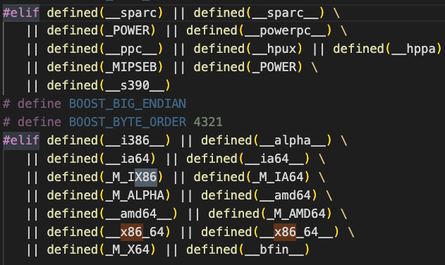

clutter | https://gitlab.gnome.org/Archive/clutter.git | 互联网搜集 | 日志分析 | 人工分析源代码 | 类比同类型工程
 |  | https://gitlab.gnome.org/Archive/clutter 图形接口，依赖里有比较大的库 | 没找到 | 工程代码量中等偏上，但是代码里没有找到架构判断之类的内容 | 不清楚有什么同类型工程

21-40
conmon | https://github.com/containers/conmon.git | 互联网搜集 | 日志分析 | 人工分析源代码 | 类比同类型工程
 |  | https://github.com/containers/conmon 介绍里有提到通讯和进程的检测，可以认为是一个偏底层的工具 | 没找到 | 代码量比较少，有部分多进程的内容需要考虑内存一致性问题，其他的没发现跟架构绑定 | 不清楚有什么同类型工程

coreutils | git clone git://git.sv.gnu.org/coreutils | 互联网搜集 | 日志分析 | 人工分析源代码 | 类比同类型工程
 |  | https://github.com/coreutils/coreutils 是gnu开发的一对实用程序的集合，包括的内容很多，例如sh、cp、chroot等常见的命令 都是Linux基础的程序，所以第一印象认为这些程序很可能有部分跟架构相关 | 没找到 | 代码量很大，包含的子项目很多。 但是找riscv相关的修改很少，但是这个函数覆盖的其他函数比较多 | 同样是基础工具集合的工程还有binutils，以他为类比，这个工程应该也是比较复杂的

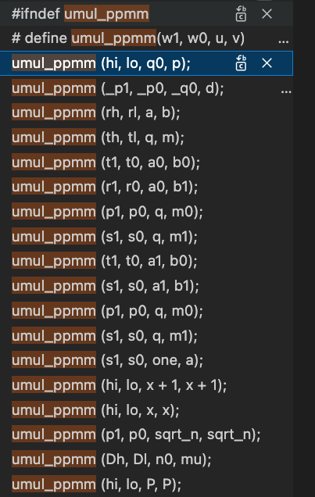

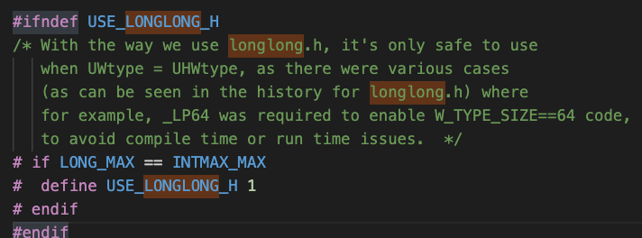

cpio | git clone https://git.savannah.gnu.org/git/cpio.git | 互联网搜集 | 日志分析 | 人工分析源代码 | 类比同类型工程
 |  | https://baike.baidu.com/item/cpio/6499923?fr=aladdin 是个类似压缩解压的工具，整体来看应该不会太复杂 | 没找到 | 工程代码量不大，也没找到跟架构绑定的内容，也没有汇编没有架构宏 | 同类型的工程有gzip、xz等，但是之前bzip2的分数不高，所以这个工程估计也不复杂

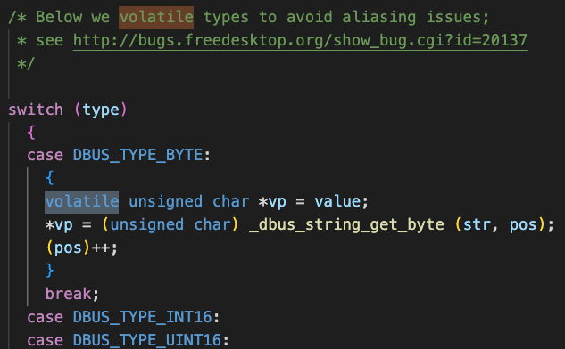
dbus | https://gitlab.freedesktop.org/dbus/dbus.git | 互联网搜集 | 日志分析 | 人工分析源代码 | 类比同类型工程
 |  | https://gitlab.freedesktop.org/dbus/dbus 仓库中描述，这个工程是进程间通讯的工具，可能会用到中断、系统调用等基础功能，所以可能会有少量内容跟架构相关。但是同时也提到，是个简单系统，因此我估计代码量不会太大 | 没找到 | 工程代码量中等偏下，代码里除了构建脚本里带有架构关键词，其他地方没找到 | 跟当前工程一样有内存一致性问题的是前面的ck，
 |  | 查这个工程的其他新闻，发现这个工程已经在Fedora的RISC-V版本里构建出来了，应该难度不大 https://dl04.fedoraproject.org/pub/alt/risc-v/logs/dbus-1.12.0-1.fc28.src.rpm/ |  | 由于是进程间通讯软件，所以可能会有内存一致性问题，经过搜索定位确实有这部分内容。移植时需要开发者注意 | ck结果可以作为参考

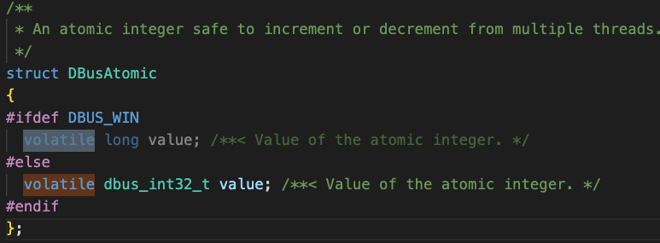

dbxtool-devel | https://github.com/vathpela/dbxtool-devel.git | 互联网搜集 | 日志分析 | 人工分析源代码 | 类比同类型工程
 |  | https://github.com/vathpela/dbxtool-devel 没太搞懂这个工具的作用，但是看仓库里的规模应该不大，所以移植难度不大，因为哪怕重写一个也不会太难 | 没找到 | 工程代码的规模很小，只有几个文件；工程里代码也不复杂 | 不清楚有什么同类型工程

dejagnu | git clone git://git.sv.gnu.org/dejagnu.git | 互联网搜集 | 日志分析 | 人工分析源代码 | 类比同类型工程
 |  | https://en.wikipedia.org/wiki/DejaGnu 一个测试框架 | 日志里提到为RISC-V新增了一个exp文件，也就是说只增加了这一个文件就完成了RISC-V的支持 | 新增的exp文件代码量不大，都是一些配置选项的定义 | check同样是测试框架，check的评估结果不是很高，所以这个工程应该也不会太难移植
 |  | 初始印象感觉这个工程不会跟架构有什么绑定 |  | 整个工程的文件中等规模，都是exp文件，没找到c文件，所以检查的结果估计会很低（因为我们的工具只检查C/C++文件）

dhcp | https://gitlab.isc.org/isc-projects/dhcp.git | 互联网搜集 | 日志分析 | 人工分析源代码 | 类比同类型工程
 |  | https://gitlab.isc.org/isc-projects/dhcp 这个项目是动态ip映射什么的项目，跟网络有关。 | 没找到 | 工程代码规模中等 | 不清楚有什么同类型工程
 |  | 跟网络通讯有关的项目，应该很少会用到架构底层的东西，所以我第一印象是不会绑定 |  | 代码里没有架构的宏，也没有汇编什么的

diffutils | git clone https://git.savannah.gnu.org/git/diffutils.git | 互联网搜集 | 日志分析 | 人工分析源代码 | 类比同类型工程
 |  | https://www.gnu.org/software/diffutils/ 这个工程的作用是对比两个文件差异，所以操作的对象是文本文件，最多涉及到文件IO和内存操作，应该对架构的绑定不严重 | 没找到 | 工程代码规模中等偏上 | 不清楚有什么同类型工程
 |  | https://blog.csdn.net/u014644594/article/details/105407581 工程内有使用到__builtin_clz内建函数，但是有博客测出不同架构下结果又差别 |  | 代码内有自定义的Builtin，是针对低版本工具链补全功能
 |  |  |  | 工程里对Builtin的使用和改写还不少，对不同架构的数据类型还有判断
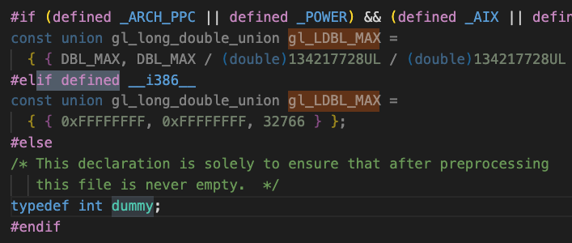

dotconf | https://github.com/williamh/dotconf.git | 互联网搜集 | 日志分析 | 人工分析源代码 | 类比同类型工程
 |  | https://github.com/williamh/dotconf | 没找到 | 工程代码量很少，逻辑不复杂 | 不清楚有什么同类型工程
 |  | 大概是配置文件的解析器，解析配置文件应该对架构的依赖不大 |  | 引入文件都是一些字符串和内存的头文件，除此之外没了

dracut | https://github.com/dracutdevs/dracut.git | 互联网搜集 | 日志分析 | 人工分析源代码 | 类比同类型工程
 |  | https://github.com/dracutdevs/dracut 不是很清楚这个工程的作用领域，大概是创建一个chroot的沙箱环境 | 没找到 | 工程代码量很少，但是大部分内容也不是用c写的 | 不清楚有什么同类型工程
 |  |  |  | 因此扫描的结果不会太高，其他代码的代码量也不多

dump-code | git clone https://git.code.sf.net/p/dump/code dump-code | 互联网搜集 | 日志分析 | 人工分析源代码 | 类比同类型工程
 |  | 没找到 | 没找到 | 工程代码量较少，代码大多数函数不复杂，用到少量比较通用的syscall | 不清楚有什么同类型工程

e2fsprogs | git://git.kernel.org/pub/scm/fs/ext2/e2fsprogs.git | 互联网搜集 | 日志分析 | 人工分析源代码 | 类比同类型工程
 |  | https://baike.baidu.com/item/e2fsprogs/6202376?fr=aladdin | 日志里有关于在arm32里编译无法在arm64下运行的log，证明该工程还需要考虑到架构的内容 | 工程代码量中上 | 不清楚有什么同类型工程
 |  | 是文件ext文件系统的工具，提供创建、修复、还原调试等文件操作， 这些操作估计会使用到比较底层的api |  | 代码里会有一些系统调用和builtin函数的使用，
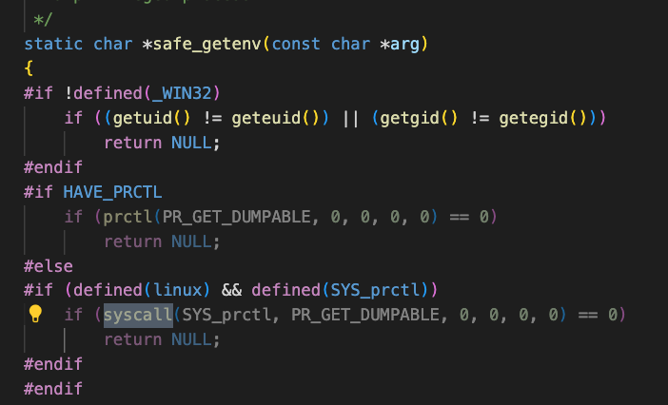
 |  | https://infrastructure.fedoraproject.org/repo/pub/alt/risc-v/logs/e2fsprogs-1.43.7-1.fc28.src.rpm/ 在RISC-V的Fedora里已经构建成功，也就是说可能不用太多修改就可以完成移植

elfutils | git clone git://sourceware.org/git/elfutils.git | 互联网搜集 | 日志分析 | 人工分析源代码 | 类比同类型工程
 |  | https://sourceware.org/elfutils/ 是一套工具的集合，但是这套工具涉及了elf等底层文件的修改什么的，涉及CPU核心状态、线程状态的查询 | 没找到 | 工程代码量很大，带有不同架构的判断和汇编、builtin使用 | 类似的工具集有binutils、Coreutils等，这两个的复杂度都不低 所以我有理由认为这个工具的难度也不会滴
 |  | https://dl04.fedoraproject.org/pub/alt/risc-v/logs/elfutils-0.167-1.fc25.src.rpm/ RISC-V的Fedora已经构建完成，可能部分功能会被屏蔽，但是也证明该工具部分功能可以在RISC-V上运行
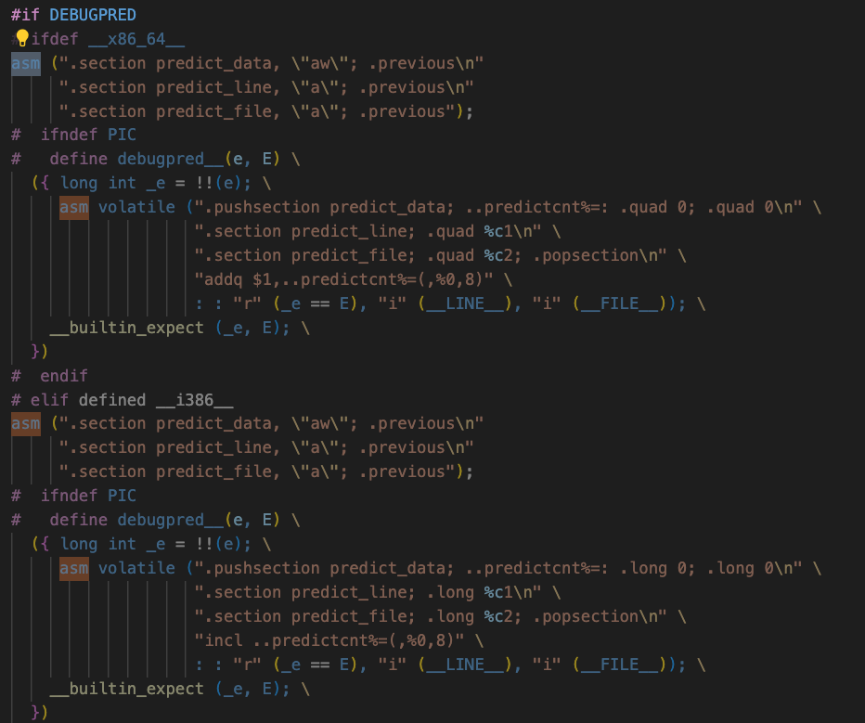
 |  | 虽然可以构建，但是无法确定难度，且这个工具操作的内容很底层，我很怀疑工程移植的难度会很高

enca | git clone https://github.com/nijel/enca.git | 互联网搜集 | 日志分析 | 人工分析源代码 | 类比同类型工程
 |  | https://github.com/nijel/enca 字符集分析转换工具，跟Python的chardet类似 | 没找到 | 工程代码量不大，逻辑也不复杂 | 我只知道Python的chardet，其他同类型的C/C++工程不清楚，但是根据作用的领域和操作的对象，这个工程不会绑定的太深
 |  | 应该就是涉及到文本的读取，数据库的匹配，应该不会出现太多架构相关的内容
 |  | https://segmentfault.com/a/1190000042774848 这篇博客讲了把enca移植到OpenEuler，但是没有换架构。是同架构的移植。用x2OpenEuler检测系统兼容性
 |  | https://dl.fedoraproject.org/pub/alt/risc-v/logs/enca-1.18-4.fc27.src.rpm/ RISC-V的Fedora完成编译

enchant | https://github.com/AbiWord/enchant.git | 互联网搜集 | 日志分析 | 人工分析源代码 | 类比同类型工程
 |  | https://github.com/AbiWord/enchant 语法检查工具，检查英语的 | 没找到 | 工程代码量很小，单个函数的逻辑可能会比较复杂，但是整体工程不算复杂 | 不清楚有什么同类型工程
 |  | 操作的对象是文本，可能有各种算法，但是我估计跟架构没什么绑定 |  | 所有代码没有关于架构方面的注释

etmem | https://gitee.com/openeuler/etmem.git | 互联网搜集 | 日志分析 | 人工分析源代码 | 类比同类型工程
 |  | https://gitee.com/openeuler/etmem 华为的内存管理工具，操作内存的，应该跟架构绑定会严重一点 | 没找到 | 有针对不同架构的内存分页判断，证明是有跟架构绑定的内容 | 不清楚有什么同类型工程
 |  |  |  | 这个工程好像没移植RISC-V，但是可以通过x86和arm的判断知道大概工作量
 |  |  |  | 工程代码量中等偏下，写的很清晰

exiv2 | git clone https://github.com/Exiv2/exiv2.git | 互联网搜集 | 日志分析 | 人工分析源代码 | 类比同类型工程
 |  | https://github.com/Exiv2/exiv2 这个工具操作的对象是图片，用来写相片参数的 | 找到日志，没有架构相关的内容 | 工程代码量中等偏上一点， | 不清楚有什么同类型工程
 |  | 操作的对象决定了这个工程不会绑定很多，最多用到一些三方库 |  | 代码里有ARMversion的关键词，暂时不清楚该关键词对象是用于不同架构下的不同操作，还是图片信息的写入 验证了，在其他文件中找到该ARMversion的描述，是根据使用的设备返回字符串的，对架构操作没有影响

file | https://github.com/file/file.git | 互联网搜集 | 日志分析 | 人工分析源代码 | 类比同类型工程
 |  | 这个工程比较熟悉，就是返回文件类型的工具 这个工具可能是读文件内容然后匹配吧，反正跟其他工具集的工具一样 | 找到日志，没有架构相关的内容 | 工程代码量中等偏下，其中magic文件夹里装了很多不同文件名的文件，例如elf什么的，里面好像是数据库 | 同类型的小工具可以用来对比，例如cpio、bash，这些小工具都是面向用户的可以直接调用的命令，执行单个简单操作
 |  |  |  | 代码逻辑不难看懂，也没有架构宏

findutils | git clone https://git.savannah.gnu.org/git/findutils.git | 互联网搜集 | 日志分析 | 人工分析源代码 | 类比同类型工程
 |  | https://www.gnu.org/software/findutils/ 四个工具的集合，都是查找文件相关的小工具。我感觉就不会架构相关 | 找到日志，没有架构相关的内容 | 工程结构清晰，分了file\locate\xargs文件夹分别装三个小工具，剩下一个不知道在哪 | 同类型的工程，binutils、Coreutils等算一个，但是他们提供的工具都偏底层，这个findutils提供的都是用来找文件的工具，我感觉要在之前的基础上打折
 |  |  |  | 代码量算中等规模
 |  |  |  | 没有找到跟架构相关的代码

fipscheck | https://pagure.io/fipscheck.git | 互联网搜集 | 日志分析 | 人工分析源代码 | 类比同类型工程
 |  | https://pagure.io/fipscheck 好像是个文件完整性检查的工具 | 没找到 | 工程代码量很小，代码也很简单 | 不清楚同类型有哪些
 |  | 不熟悉，不太确定 |  | 没有架构相关的代码
 |  | https://access.redhat.com/documentation/fr-fr/red_hat_enterprise_linux/5/html/5.4_technical_notes/fipscheck 就是做加密检测的工具
 |  | 加密检测应该不会跟架构绑定

41-60
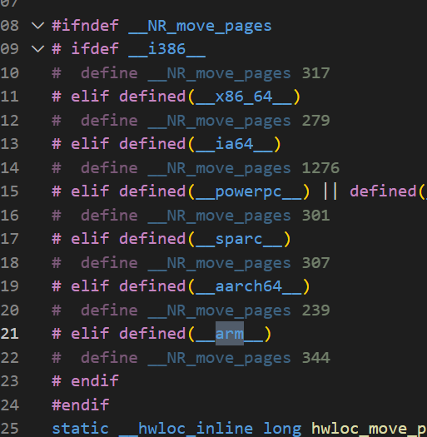
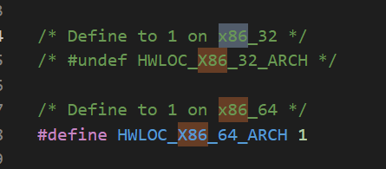
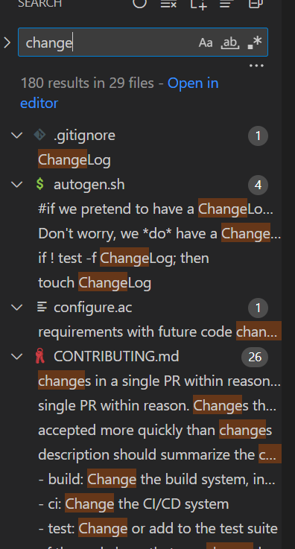
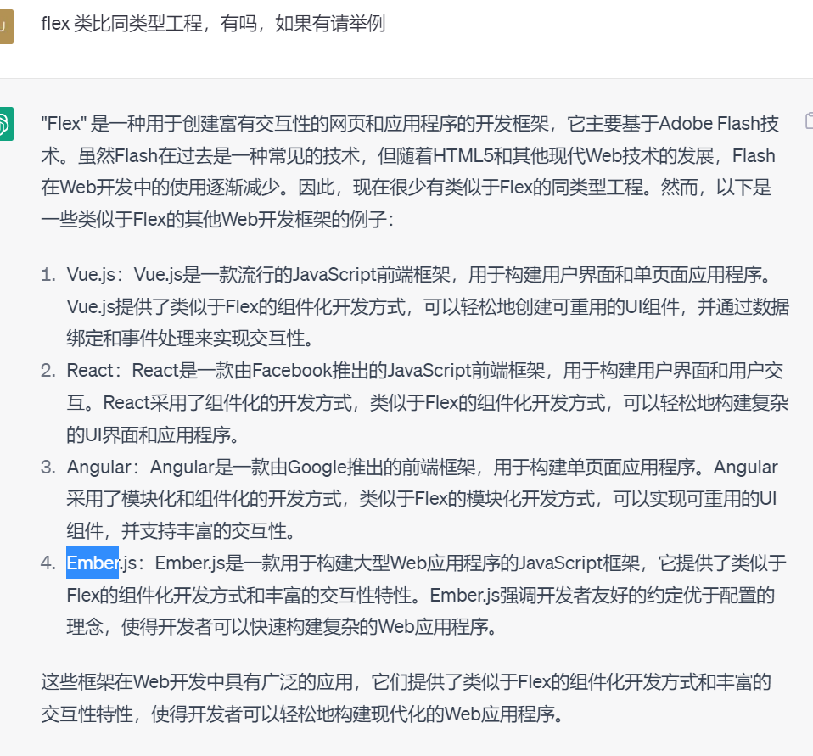
 | 互联网搜集 | 日志分析 | 人工分析源代码 | 类比同类型工程
41flex | https://baike.baidu.com/item/flex/10748618?fr=aladdin

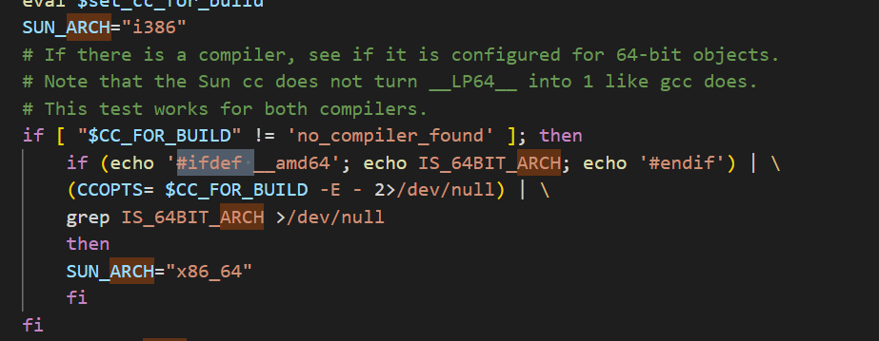
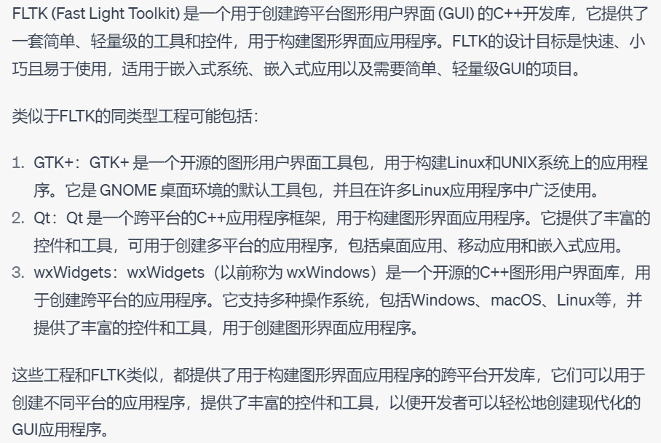
42fltk | https://baike.baidu.com/item/fltk/4365735?fr=aladdin

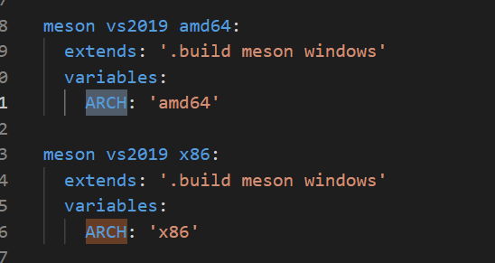
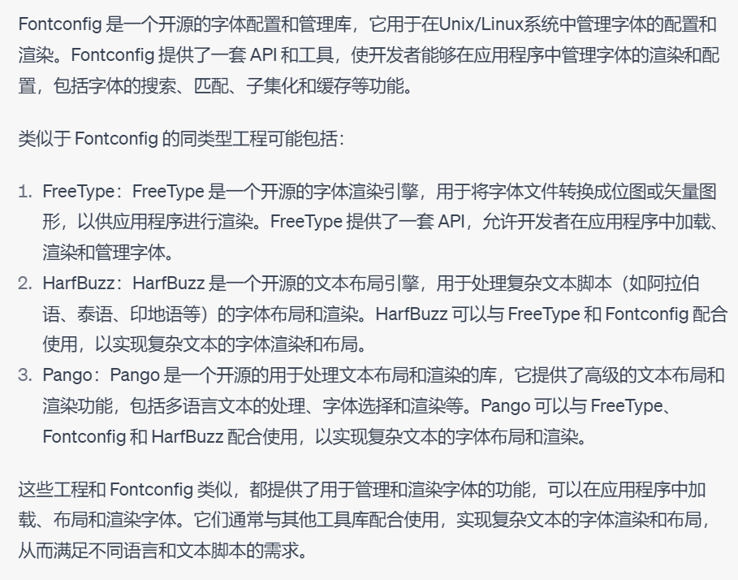
43fontconfig | https://www.freedesktop.org/wiki/Software/fontconfig/

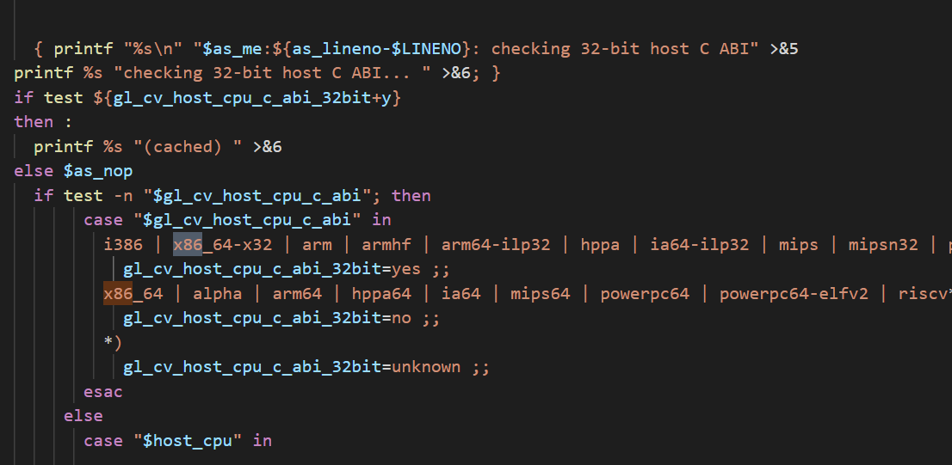
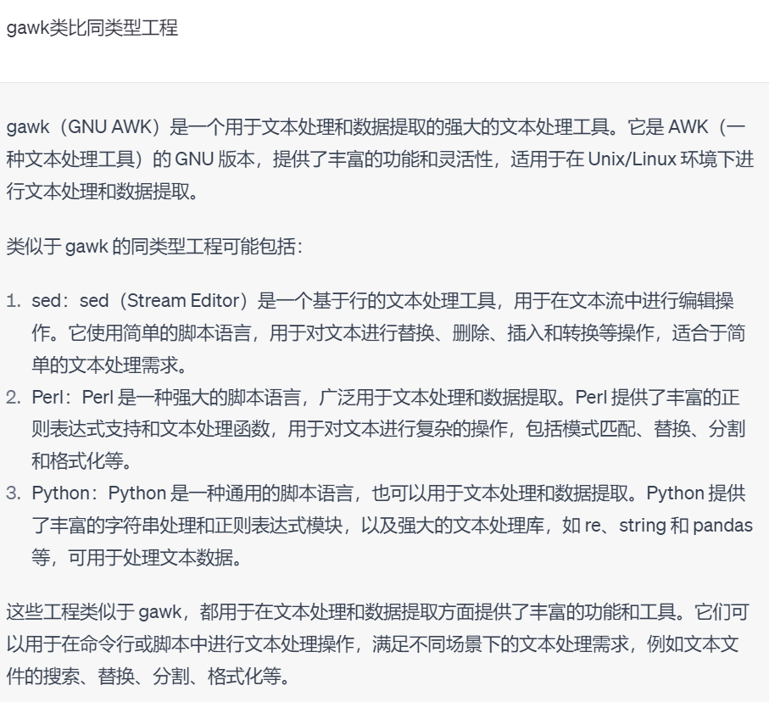
44gawk | https://baike.baidu.com/item/gawk/2843792?fr=aladdin

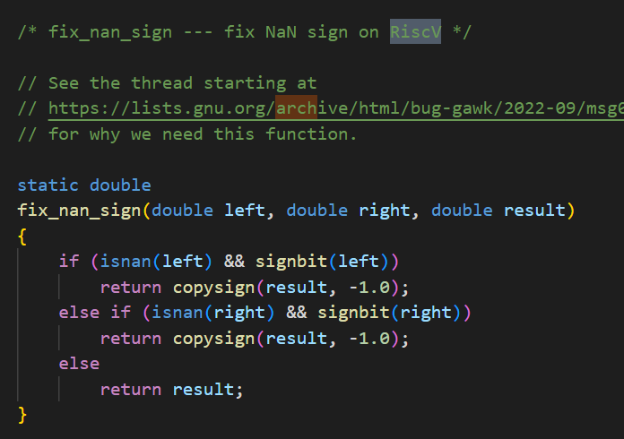
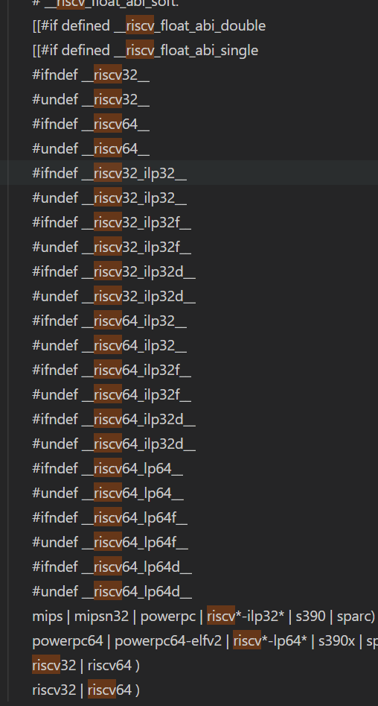

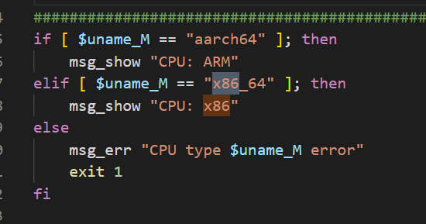
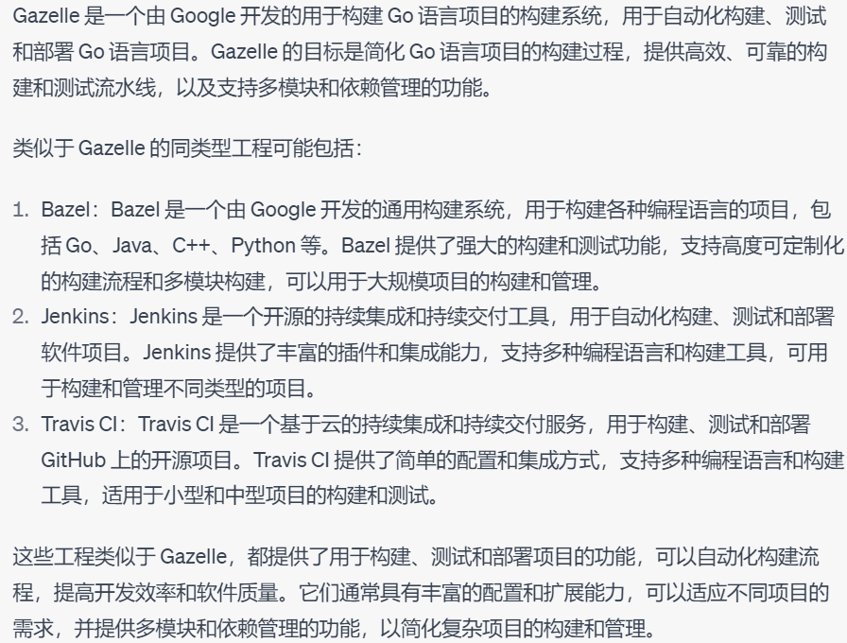
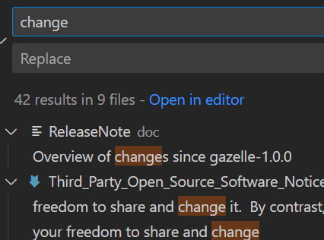
45gazelle | https://baike.baidu.com/item/Gazelle/61699?fr=aladdin

46gcc | https://baike.baidu.com/item/gcc/17570?fr=aladdin

47gdbm | https://blog.csdn.net/heiyeshuwu/article/details/51519388

 |  | 日志文件没架构相关内容

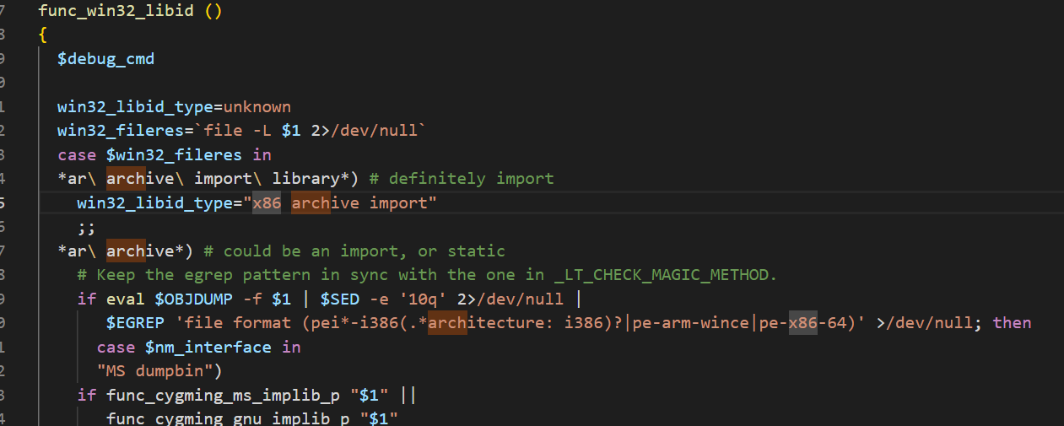
48gettext | https://blog.csdn.net/yjwx0018/article/details/52312437

 |  | 日志文件没架构相关内容

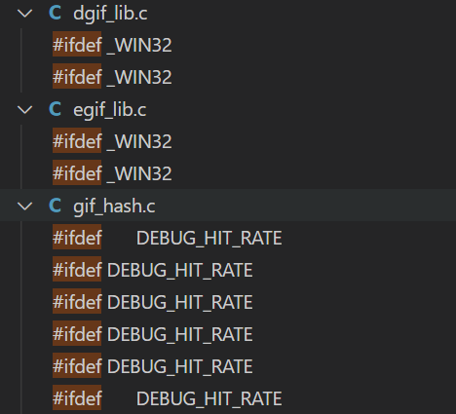
49giflib-code | https://blog.csdn.net/gongjianbo1992/article/details/115449858

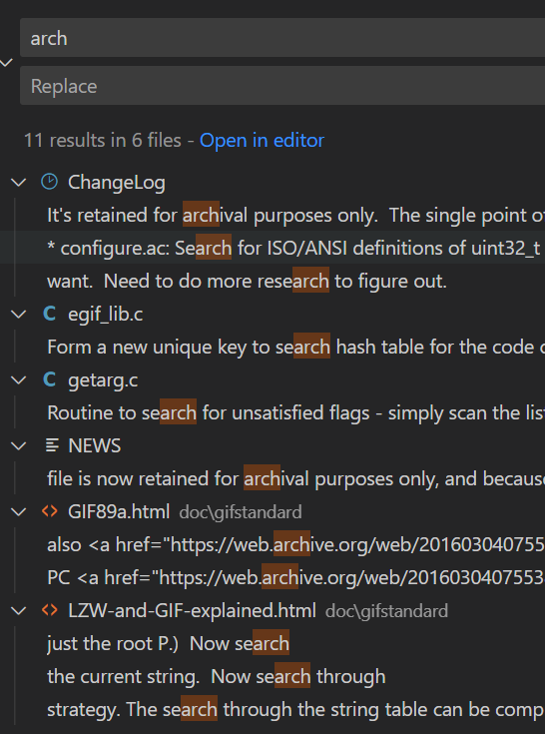
 |  | 日志文件没架构相关内容

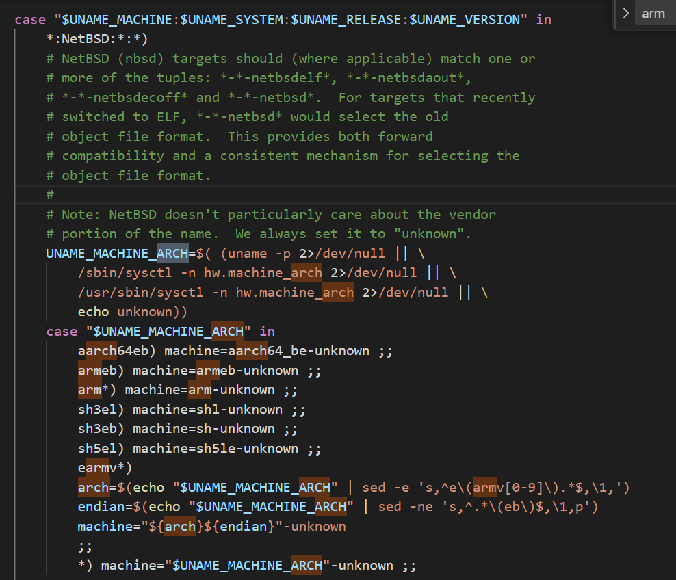
50glew | https://baike.baidu.com/item/glew/5495893?fr=aladdin

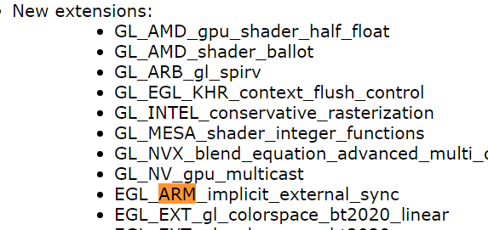

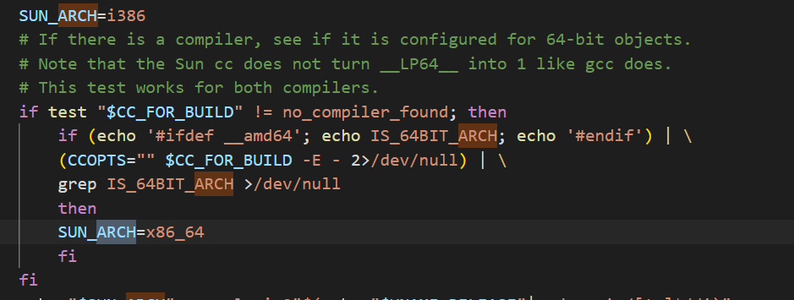

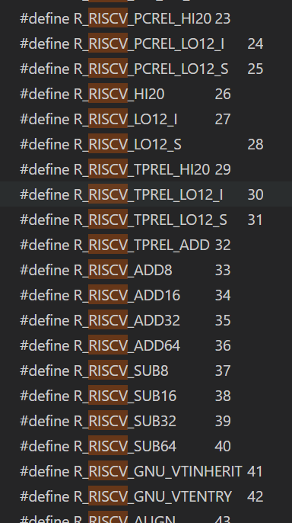
51glibc | https://baike.baidu.com/item/glibc/10058561?fr=aladdin

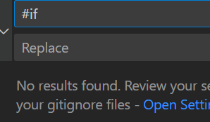
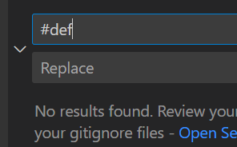
52gnome-common | https://github.com/GNOME/gnome-common

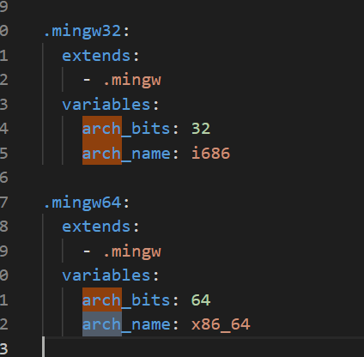
53gnutls | https://blog.csdn.net/Rong_Toa/article/details/105714448

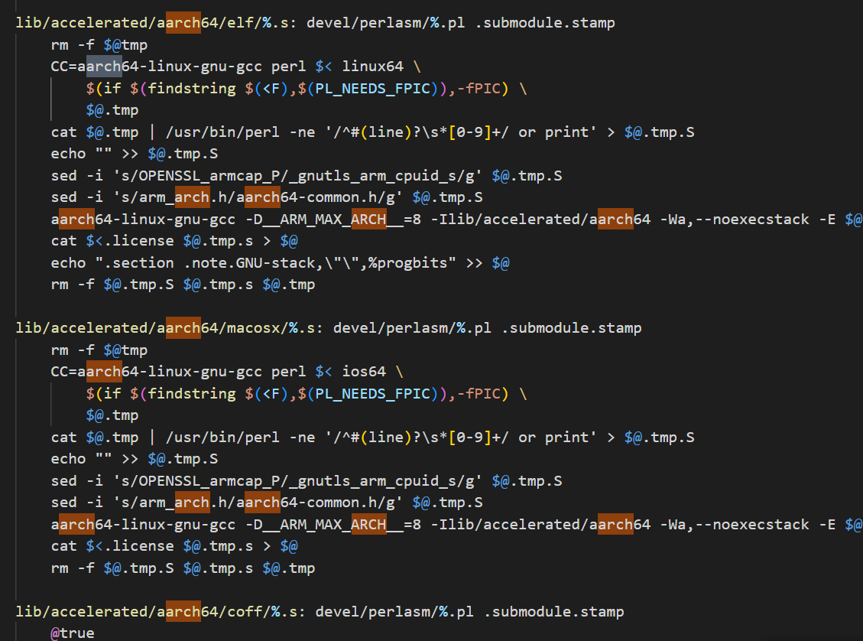

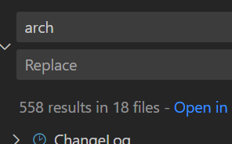
54gperf | https://www.wenjiangs.com/doc/srs-gperf

 |  |  | 无架构相关内容
55grep | https://baike.baidu.com/item/GREP/5997841?fr=aladdin | 无架构相关内容
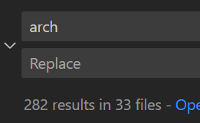

 |  |  | 无架构相关内容

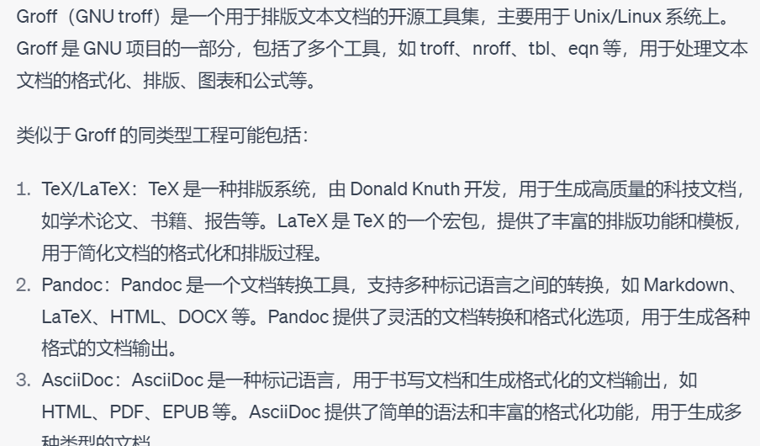
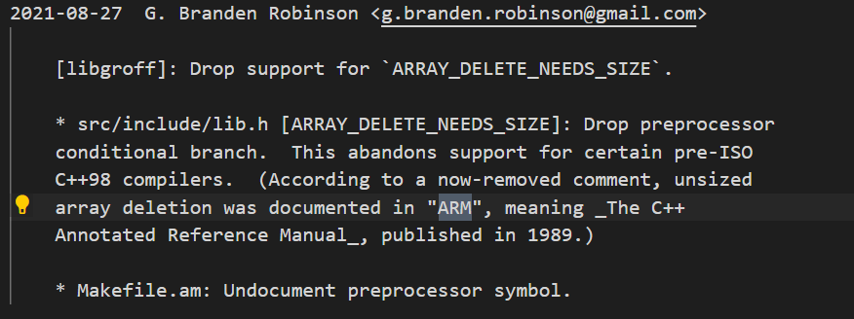
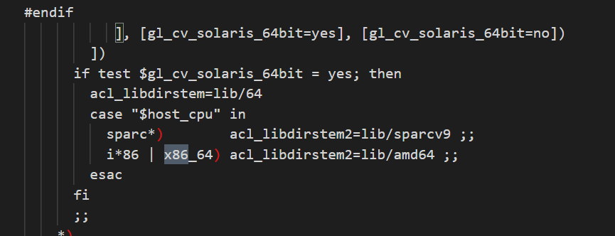
56groff | http://linuxcommand.p2hp.com/groff

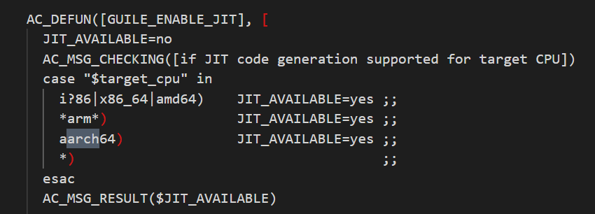

57guile | https://baike.baidu.com/item/guile/6154504?fr=aladdin








58gzip | https://baike.baidu.com/item/gzip/4487553?fr=aladdin


59haveged | https://github.com/jirka-h/haveged








60hwloc | https://github.com/open-mpi/hwloc

61-80

 | 互联网搜集 | 日志分析 | 人工分析源代码 | 类比同类型工程
61iproute2 | https://www.cnblogs.com/HachikoT/p/12726231.html | 没找到相关日志



62iputils | https://github.com/iputils/iputils



63iSulad | https://baike.baidu.com/item/iSula/49961310?fr=aladdin | 无相关日志



64jansson | https://blog.csdn.net/duapple/article/details/110384159


65json-c | https://github.com/json-c/json-c | 日志无架构相关内容


66kbd | git://git.kernel.org/pub/scm/linux/kernel/git/legion/kbd.git | 日志无架构相关内容

67kmod | https://zhuanlan.zhihu.com/p/307756243 | 没东西 | 没东西
 | https://man7.org/linux/man-pages/man8/kmod.8.html 可以用来控制Linux内核，所以可能有架构相关的内容 | 没找到log | 工程代码量较小，二十几个文件 但是搜索的时候有很多c文件里有builtin关键词，暂时没搞懂跟我想的builtin是不是一回事 | 查过了，这个builtin跟我们想的那类函数不是一回事 | 有一行调用了syscall，用调用号调用的 | 同类型工程没找到



68kyua | https://github.com/jmmv/kyua/commits/master | 无日志






69lcr | https://baike.baidu.com/item/LCR/1486199?fr=aladdin | 日志无架构相关内容


70less | https://github.com/gwsw/less.git | 无日志 | 无架构相关内容



71libbpf | https://blog.csdn.net/byxzone/article/details/125573563 | 无日志




72libcap | https://www.jianshu.com/p/77ee42f0fea6 | 无日志 | 基本没代码


73libcap-ng | https://blog.csdn.net/Rong_Toa/article/details/112158093 | 日志无架构相关内容 | 源代码没架构相关内容



74libdb | https://sourceforge.net/projects/libdb/ | 日志无架构相关内容





75libffi | https://github.com/libffi/libffi




76libmpc | https://gitlab.inria.fr/mpc/mpc | 日志无内容 | 源代码没架构相关内容


77libpipeline | https://git.savannah.gnu.org/git/libpipeline.git | 无日志 | 源代码没架构相关内容


78libtool | https://blog.csdn.net/moonlightfall/article/details/60870600 |  | 源代码没架构相关内容


79m4 | git://git.sv.gnu.org/m4 | 没日志 | 基本没代码


80make | https://git.savannah.gnu.org/git/make.git |  | 几乎没架构相关代码

81-120
meson | https://github.com/mesonbuild/meson.git | 互联网搜集 | 日志分析 | 人工分析源代码 | 类比同类型工程
 |  | https://github.com/mesonbuild/meson 构建系统，依赖于ninja和Python | https://github.com/mesonbuild/meson/issues/5950 这里有关于RISC-V的讨论，meson貌似没有支持RISC-V，就可以在RISC-V架构下运行，这点让我觉得是不是不需要做什么修改就可以跑？ | 少量关键词可以知道meson支持了RISC-V | meson是构建系统，我感觉构建系统都不会简单，类似的工程有gcc、clang、ninja
 |  | 虽然依赖ninja让我认为他的构建不是自己实现的，但是毕竟是个构建系统，还是可能存在偏底层的操作 | https://github.com/mesonbuild/meson/issues/5950 这里的日志还有人提到gnu的工具链，也就是说用的gcc编译？ | 好像大部分实际的代码都是Python写的，只有测试代码 是用C/C++写的。从代码的角度，我不会给高分 | 按照他们的难度，我觉得这个工程也会很复杂 但是我看了工程的依赖，依赖于Python和ninja，所以我怀疑最底层的构建还是由ninja来做，那就需要打折扣


mpfr | git clone https://gitlab.inria.fr/mpfr/mpfr.git | 互联网搜集 | 日志分析 | 人工分析源代码 | 类比同类型工程
 |  | https://gitlab.inria.fr/mpfr/mpfr 是一个浮点运算库，这种计算库一般需要底层指令计算向量，对性能有要求，所以会做大量的优化。而优化有需要针对架构设计，所以跟架构绑定比较严重 | ChangeLog里还是针对一些架构做了补丁修复之类的工作 但是不清楚具体的工作量 | 工程代码量中等，目录结构里有针对不同架构的文件夹 目前还没有对RISC-V的文件夹，可能RISC-V架构下不是完整版功能； | 目前还没找到相似的计算库，但是这种计算库一般都是比较繁琐的
 |  |  |  | 源码里很多关于架构相关的判断和宏，有专门的汇编，有对不同情况调用不同builtin等内容







nano | https://git.savannah.gnu.org/git/nano.git | 互联网搜集 | 日志分析 | 人工分析源代码 | 类比同类型工程
 |  | https://blog.csdn.net/wuyy0224/article/details/127490451 nano是文本编辑器，跟vim类似 | ChangeLog里完全没有架构关键词出现，表示这个工程可能完全不挑架构 | 工程代码量很小，十几个c文件，有部分文件有一两千行，但是总体来说不大 | 同类型工具有vim、emacs，但是没有做他们的评估； 根据经验，我们知道很多RISC-V镜像里都会提供vim，也就是说vim的移植不难，那这个工程也不会太难
 |  | 主要的功能就是类似txt文件的功能，处理的都是文字，所以我认为最多就是有文件IO的操作，对架构的绑定不会太多 |  | 代码里没有架构的判断，也没有汇编、builtin等内容

ncurses | https://github.com/mirror/ncurses.git | 互联网搜集 | 日志分析 | 人工分析源代码 | 类比同类型工程
 |  | https://invisible-island.net/ncurses/announce.html 是curses的下一代产品，https://baike.baidu.com/item/curses/1630775?fr=aladdin是Linux下的图形库，可以在终端画简单的图形界面 也就是说ncurses也可以 | 没找到log | 工程代码量中上，工程还是比较复杂，复杂程度跟mpfr或者ffmepg差不多 | 类似这种字符串的图形库，不知道类似的工程
 |  | 既然是图形库，我觉得就会用到很多图形向量计算的东西，但是考虑到他介绍里说是简单的，那应该工程不会太复杂 |  | 实际分析源代码，没有找到跟架构绑定的代码，我怀疑这个工程就单纯的用字符串+算法来做图形

 |  |  |  | 好像还真的是用字符串来做图形界面，完全手动的定义各种翻页什么的内容？



ninja | git clone git://github.com/ninja-build/ninja.git | 互联网搜集 | 日志分析 | 人工分析源代码 | 类比同类型工程
 |  | https://www.oschina.net/p/ninja?hmsr=aladdin1e1 构建编译工具，跟gcc、llvm差不多 | 没找到log | 工程代码量算是中等规模，部分文件大小超过3千行 | 同类型工程包括gcc、llvm等，都是非常困难的
 |  | 但是我知道ninja是更轻量级的，但是没有具体了解过 |  | 代码里没找到判断架构的地方，也没有汇编、builtin等内容；但是我在一些文件里看到include 了C++的vector
 |  |  |  | 我感觉ninja就是把架构相关的内容交给底层了
 |  |  |  | 但是考虑到工程规模以及使用一些我看不懂的syscall之类的东西，我认为移植起来还是有难度的

oec-hardware | https://gitee.com/openeuler/oec-hardware.git | 互联网搜集 | 日志分析 | 人工分析源代码 | 类比同类型工程
 |  | https://gitee.com/openeuler/oec-hardware 用来测试硬件跟OpenEuler系统兼容性的工具 | 没找到log | 工程都不带c代码，工程代码量中下 | 测试框架有前面的check，但是check的架构相关程度还比这个高
 |  | 这种测试硬件的工具，一定会涉及硬件的操作，只是不知道他有没有区分架构 |  | 分析了源码，都是调用Python的subprocess和command库来调用硬件的指令，然后检查Linux返回控制台的内容，其实没有测试底层的硬件

openssh | https://anongit.mindrot.org/openssh.git | 互联网搜集 | 日志分析 | 人工分析源代码 | 类比同类型工程
 |  | https://www.openssl.org 是加密和安全通讯的工具包，应该会有很多工具或者库提供使用 | 日志里很多内容提到指令拓展集和汇编出现的bug | 针对不同架构，还是设计了一堆的宏，我可以认为如果要移植RISC-V的话，可能也会有这一堆的宏 | 相同的通讯加密工具没找到，但是工具集可以与Coreutils、binutils对比
 |  |  |  | 针对苹果M系列芯片还有判断
 |  |  |  | 部分文件里还有一堆汇编代码，同理的，可以看到对RISC-V也有判断，拷贝了一份
 |  |  |  | 工程代码量挺大的，我认为可以定义为大工程






patch | git clone https://git.savannah.gnu.org/git/patch.git | 互联网搜集 | 日志分析 | 人工分析源代码 | 类比同类型工程
 |  | https://savannah.gnu.org/projects/patch/ patch就是生成补丁或者为代码打补丁的工具，操作的对象就是patch文件和源代码文件，可能会涉及到文件diff，文件修改等内容，但是跟架构应该关系不大 | log里没有关于架构的信息 | 工程很小，十几个文件，最大的文件700+行，算是小工程 | 不清楚相似的工程
 |  |  |  | 看了工程源码，都是在计算字符串等操作，没有特殊的内容


pciutils | git://git.kernel.org/pub/scm/utils/pciutils/pciutils.git | 互联网搜集 | 日志分析 | 人工分析源代码 | 类比同类型工程
 |  | https://github.com/pciutils/pciutils pciutils是控制pci总线什么的库，反正介绍里提到了数据传输和寄存器的操作，所以我可以认为这个库是跟数据存取和寄存器操作有关的 | 日志有几个关于x86的关键词，但是都没什么信息 | 工程代码量中上，工程里有关于架构的判断，但是不多，只有sparc和i386 amd64几个架构，我怀疑是没移植RISC-V | 不清楚相似工程
 |  | 而且我也了解过新设备里pcie总线什么的，还有机组里对总线的介绍总是伴随着寄存器的数据操作 |  | 更多是对操作系统的判断，可能这种工具的数据到了操作系统这层，再借助系统调用什么的写数据？
 |  |  |  | 有部分文件有少量汇编；还会用到x86的Intrinsic

pcre2 | git clone https://github.com/PhilipHazel/pcre2.git | 互联网搜集 | 日志分析 | 人工分析源代码 | 类比同类型工程
 |  | https://github.com/PCRE2Project/pcre2 这是个正则处理库，操作的对象就是字符串，所以我认为这个库跟架构绑定的不多 | log里有提到使用neon等拓展集做向量运算什么的，这就代表这个库需要用到底层的内容加速 | 工程代码量中下，不是很多 | 正则库不记得了，但是字符处理的工具有cjson 这种库一般都不会绑定很严重
 |  |  |  | 代码里有专门文件夹装不同架构相同功能的文件 并且有RISC-V的移植，从文件数量来看，每个架构对应的文件都是一样的，所以移植新架构可以按照移植旧架构的工作量来衡量
 |  |  |  | 代码里还是有部分汇编和架构判断的内容



perl | git clone git://perl5.git.perl.org/perl.git | 互联网搜集 | 日志分析 | 人工分析源代码 | 类比同类型工程
 |  | https://zh.wikipedia.org/zh-tw/Perl 编程语言，应该是c写的，内部会包含各种内存、IO、多线程等操作，甚至会带汇编，所以我感觉编程语言的复杂度都会比较搞 | 找到log，但是没找到架构关键词 | 工程代码量很大，若移植起来肯定很费劲 | 语言的工程还有OpenJDK和Python，OpenJDK的移植是平头哥做的，花了挺多人和时间
 |  | https://blog.csdn.net/qq_36393978/article/details/118719952 发现这篇博客有教如何移植perl，需要perl-corss项目配合 |  | 有部分带有汇编的内容，这部分肯定要移植； configure文件里有部分c代码，输出带有builtin的c代码，这个可能需要开发者修改；
 |  | 翻了这个工程，发现工程需要改的大部分都是pl文件，就是perl语言写的文件，然后剩下大量编译脚本 |  | 没有发现特别多的架构关联的内容





pkgconf | https://github.com/pkgconf/pkgconf.git | 互联网搜集 | 日志分析 | 人工分析源代码 | 类比同类型工程
 |  | http://pkgconf.org 用于配置编译器和链接器标志的程序，不清楚操作的对象是什么，但是涉及到编译链接问题，可能就比较麻烦 | 没找到log | 工程代码量很小，大概十几个c文件 | 不清楚同类型工程
 |  |  |  | 关于架构的宏没找到，有对编译器识别的条件编译语句；

pv | https://github.com/a-j-wood/pv.git | 互联网搜集 | 日志分析 | 人工分析源代码 | 类比同类型工程
 |  | https://github.com/a-j-wood/pv 用于检测管道中数据的进度，涉及到多个进程的进度，我估计会有一点难度 | 没找到log | 代码工程量很小，大概二十几个文件 | 不清楚同类型工程
 |  |  |  | 没有关于架构的宏，没有汇编和builtin等内容，感觉移植难度不大

python | https://github.com/python/cpython.git | 互联网搜集 | 日志分析 | 人工分析源代码 | 类比同类型工程
 |  | https://github.com/python/cpython Python的C语言实现，我感觉会比较复杂，所以我预估的难度是比OpenJDK小一点 | 找到log，但是没找到架构关键词 | 源代码里都是pxd的文件 ，或者是py文件，很少有c文件 明明说是C语言实现，但是没找到太多 | 同类型有perl，OpenJDK，jdk是比较复杂的，perl跟Python很像，就少量c语言文件，剩下的都是perl和pxd文件，不是我们扫描的范围，所以得分会比较低也是符合预期的
 |  |  |  | 工程还是比较大，比较复杂的，有三级目录，很多文件

rcs | git clone https://git.savannah.gnu.org/git/rcs.git | 互联网搜集 | 日志分析 | 人工分析源代码 | 类比同类型工程
 |  | https://zh.wikipedia.org/zh-cn/修订控制系统，跟git、vcs一样，那操作的对象就是代码文本，应该跟架构绑定的内容不多 | log里没有关于架构适配的内容，有架构关键词，是对工具链的修复 | 工程代码量比较小，大概二三十个文件 | 看了git源码之后发现还有各种操作内存的操作，所以git还是有部分汇编和底层操作： 有条件编译语句，但是不多，git的规模可以认为是中等偏上，但是rcs因为是早期的工程，规模很小，而且也没有找到底层的内容，所以我认为可能会有内存操作，但是需要移植的内容还是不多
 |  |  |  | 没有架构相关的宏，汇编和Intrinsic，可能会调用系统调用，但是绝对不会多

readline | https://git.savannah.gnu.org/git/readline.git | 互联网搜集 | 日志分析 | 人工分析源代码 | 类比同类型工程
 |  | https://zh.wikipedia.org/zh-cn/GNU_Readline | ChangeLog里没有关于架构的修改，fix bug也没有编译和架构的问题 | 工程代码量没有达到中等规模，文件数大概三十个 | 同功能的工具不清楚，但是类似的小工具，例如file这种，一般都不需要修改
 |  | readline是为bash等工具提供行编辑器和历史记录的功能，可能在输入命令后向上翻的功能就是这个工程的 但是既然操作只包括编辑和历史记录，我觉得可能就是包含一些内存操作，难度不会太大 |  | 代码里没有架构关键词，没有汇编代码，builtin等内容；我感觉跟架构相关的东西不多 可能有几个syscall之类的；在编译文件里有riscv关键词，这个工具已经完成移植，也就是说没有经过什么修改，看不到针对架构适配的痕迹

rootsh-code | git clone https://git.code.sf.net/p/rootsh/code rootsh-code | 互联网搜集 | 日志分析 | 人工分析源代码 | 类比同类型工程
 |  | https://linux.die.net/man/1/rootsh 一个可以记录输入输出的shell，如果我用java或Python来执行的话，就是调用bash，然后把输入输出记录一下，C语言里应该差不多，最多涉及到部分内存操作，所以我感觉难度不会很大 | ChangeLog里没有关于架构的修改，fix bug也没有编译和架构的问题 | 工程代码量很小，几个文件 | 不清楚同类型工程
 |  |  |  | 代码里没有架构关键词，没有汇编代码，builtin等内容；我感觉跟架构相关的东西不多； 可能有几个syscall之类的

sassc | https://github.com/sass/sassc.git | 互联网搜集 | 日志分析 | 人工分析源代码 | 类比同类型工程
 |  | https://github.com/sass/sassc 说是libsassc的命令行封装，而libsassc是C/C++实现的sass编译器；而sass好像是前端的一些东西，应该是语言；所以总结下来，这个sassc工程是命令行封装，调用了libsassc，如果是这样的话，我感觉工程不会太复杂 | 没找到log | 工程代码量很小，只有2个h和1个c | 命令行封装的工程不清楚
 |  |  |  | 真的是命令行封装，没什么内容，可以认为难度是0

sed | git clone git://git.sv.gnu.org/sed | 互联网搜集 | 日志分析 | 人工分析源代码 | 类比同类型工程
 |  | https://zh.wikipedia.org/zh-cn/Sed 交互式编辑器，其实就是用sed命令，往文本里写一些东西，可以使用正则等东西匹配替换；但是本质就是文本IO和读写 | 没找到log | 工程代码量很小，十几个文件 | 这种同类型的有awk，但是这种工程都很古老 内容不多，且不绑定
 |  |  |  | 没有找到架构相关的内容，可能会有syscall等不认识的函数，但是绝对不多

selinux | https://github.com/SELinuxProject/selinux.git | 互联网搜集 | 日志分析 | 人工分析源代码 | 类比同类型工程
 |  | https://zh.wikipedia.org/zh-cn/安全增强式Linux Linux的安全模块，会涉及到内核的修改和用户空间、用户态的转换，那就跟builtin和syscall的描述接近 | 仓库里有部分issue提到arm下编译报错什么的，但是好像都不是大问题 | 工程代码量中等规模 | 不清楚其他Kernel插件
 |  | 所以这个工程我估计移植起来会有难度 |  | 分析源码跟网络搜集建立起来的第一印象完全不同，工程里没有汇编之类的架构绑定的东西，可能是因为作为内核的安全模块的原因；架构适配的内容已经被Kernel解决，他只需要基于Kernel提供的东西编写

shadow | https://github.com/shadow-maint/shadow.git | 互联网搜集 | 日志分析 | 人工分析源代码 | 类比同类型工程
 |  | https://github.com/shadow-maint/shadow 是一个密码加解密的工具，那跟前面网络加密的工具很相似，我估计难度不大 | ChangeLog里没有关于架构的修改，fix bug也没有编译和架构的问题 | 工程代码量较少 | 前面那个网络加密的工具好像难度也不高，所以我认为这个也不会太复杂
 |  |  | 看到1个issue提到arm的交叉编译，应该不是大问题 | 没有找到架构相关的内容，可能会有syscall等不认识的函数，但是绝对不多


shim | https://github.com/rhboot/shim.git | 互联网搜集 | 日志分析 | 人工分析源代码 | 类比同类型工程
 |  | https://zhuanlan.zhihu.com/p/436456032 是系统启动的引导固件，相当于系统启动器，具体涉及的内容不清楚. 问了GPT，说这个启动系统的软件是跟架构相关的，所以可以考虑为中等难度 | https://github.com/rhboot/shim/issues/366 讨论了x86下制作EFI比较简单，然后arm下没有提供功能什么的 我想到RISC-V架构也会有这种问题 | 工程代码量较少，大概二十几个文件 | 不清楚类似工程
 |  |  |  | 工程c代码少，但是其他文件比较多，所以搜索的结果跟实际难度可能存在差异
 |  |  |  | 有架构区分的代码，目前没看到RISC-V
 |  |  |  | 有汇编代码，我感觉有一定的难度




sombok | https://github.com/hatukanezumi/sombok.git | 互联网搜集 | 日志分析 | 人工分析源代码 | 类比同类型工程
 |  | https://github.com/hatukanezumi/sombok 这个包用来分割中东和亚洲语言，是个词分割工具 | ChangeLog里没有关于架构的修改 | 工程代码量很小，只有十几个文件 | 不清楚类似工程
 |  | 操作的对象是文本，GPT提到他有设计算法，所以可能会因为算法性能考虑调用底层的内容，但是我还是认为这种内容不多 |  | 没看到条件编译和架构宏；没有汇编等内容
 |  |  |  | 在config.sub文件里有根据架构选择工具链的操作，此外没看懂其他内容，我认为这个工具的编译只需要换工具链就行嘞



soxr-code | git clone https://git.code.sf.net/p/soxr/code soxr-code | 互联网搜集 | 日志分析 | 人工分析源代码 | 类比同类型工程
 |  | https://github.com/chirlu/soxr 这个库做音频的重采样，处理的内容视音频；而且只能处理一维？ 总之我认为这种算法库会有部分底层的操作 | ChangeLog里没有关于架构的修改 | 工程代码量较小，几十个文件 | 这种算法库一般都会有性能要求，例如一篇论文做了FFmpeg移植，考虑到工程代码量较小，所以我可能给个中等的移植复杂度
 |  |  |  | 还是有一定量的内联汇编，有架构的判断 部分内容会有arm的builtin，这些都是要对应修改和替换的






strace | https://github.com/strace/strace.git | 互联网搜集 | 日志分析 | 人工分析源代码 | 类比同类型工程
 |  | https://github.com/strace/strace 这个工程会监视和修改进程与内核的交互，所以应该会涉及较多架构的内容；考虑工程的体积，我感觉是个中下的难度 | 搜索github仓库上的Commit，有4页的RISC-V相关的内容 可以看出来开发者还是针对架构做了一些修改的 同时我还看到针对寄存器的代码，具体到操作寄存器了，我认为这个难度会比较高 | 工程代码量还是比较多的，算是中上，起码近百个c文件 | 这种底层的库不清楚，可以类比的有selinux，这个是做Linux内核安全补丁的，他那边好像修改的东西不多 但是这个工程我分析源码后觉得挺多的
 |  |  |  | 目录里有架构文件夹，对多架构做了支持
 |  |  |  | 架构文件夹里RISC-V架构有近10个文件，算是不少的，因为还有通用的文件需要适配
 |  |  |  | 有不少内联汇编，也有部分builtin之类的，总体来说给我的感受是移植这个工程不会简单


systemd | https://github.com/systemd/systemd.git | 互联网搜集 | 日志分析 | 人工分析源代码 | 类比同类型工程
 |  | https://systemd.io 根据描述，提供的是Linux的比较底层的功能，例如服务管理，进程守护什么的，而且好像binutils一样提供了好多小工具？ 第一印象是偏底层的额工具集合 | 搜索github仓库上的Commit，有4页的RISC-V相关的内容 可以看出来开发者还是针对架构做了一些修改的 | 源码代码量很大 | 工具集可以类比binutils、Coreutils等，这两个都比较复杂，所以这个工程移植应该是比较复杂的
 |  |  |  | 有少量汇编，部分builtin，引入了syscall头文件，我感觉架构绑定的东西不少

taglib | https://github.com/taglib/taglib.git | 互联网搜集 | 日志分析 | 人工分析源代码 | 类比同类型工程
 |  | https://github.com/taglib/taglib 是处理各种音频文件的库，具体处理的内容不清楚，但是可以参考前面音频重采样的库，他就涉及到很多汇编 | 仓库有关于arm架构编译的issue，我估计还没移植RISC-V，所以没有RISC-V的内容，但是看情况好像arm的issue不多，应该不会太难‘ | 源码工程量中等，根据不同音频格式分了不同文件夹 | 可以参考的是音频重采样库，那个库比较复杂，但是这个库代码量不多，对arm的修改也不多，所以评分会低一点
 |  | 所以我第一印象是这个工程可能中等难度 |  | 没有架构判断的宏，用到部分builtin和Intrinsic函数 syscall没搜到关键词
 |  |  |  | 总的来说，我感觉这个工具移植复杂度偏中下，虽然有代码量，但是好像针对arm的工作量也不多

tang | https://github.com/latchset/tang.git | 互联网搜集 | 日志分析 | 人工分析源代码 | 类比同类型工程
 |  | https://github.com/latchset/tang 不好总结作用，但是涉及到数据加解密、网络传输的内容，我感觉加解密这块可能会调用底层库，因为他是个上层应用，又不是底层加解密算法库 | 仓库没有riscv的issue，arm的只有三条，提的是运行问题，我感觉跟架构绑定不大 | 工程量很小，十几个文件 | 不清楚其他工程，但是单个简单工具的类比有很多，都比较简单
 |  | 所以第一印象是这个工程比较简单，而且他代码量不大 |  | 猜的没错，通讯用http库，加解密好像也是用的三方库
 |  |  |  | 没看到架构的东西

tar | git clone https://git.savannah.gnu.org/git/tar.git | 互联网搜集 | 日志分析 | 人工分析源代码 | 类比同类型工程
 |  | 很熟悉的压缩解压软件，压缩软件里面都会带压缩算法，这里可能会有底层的东西 | ChangeLog里没有架构的内容 | 工程代码量不大，二十几个文件 | 同类型的有bzip2、gzip等内容，这些工程都不是特别困难，所以可能算法的操作没有涉及那么多底层的东西，所以这里给的评分不会太多
 |  |  |  | 代码里没有架构相关的内容，可能就纯用数组什么的来做压缩


tcsh | https://github.com/tcsh-org/tcsh.git | 互联网搜集 | 日志分析 | 人工分析源代码 | 类比同类型工程
 |  | https://github.com/tcsh-org/tcsh 一个shell编辑器？GPT解释说就是一个bash之类的工具，所以可以类比shell、bash、zsh之类的 | 在构建文件里有riscv的关键词，但是代码和issue里没有，证明这个工程不需要对RISC-V做什么适配 | 代码工程量中下，有几十个文件 | 同类型的可以比较bash、shell，但是没有这几个工程的资料
 |  |  |  | 代码文件里没有架构判断宏，有几行汇编，但不多；有#progma+Intrinsic()的组合；

teckit | https://github.com/silnrsi/teckit.git | 互联网搜集 | 日志分析 | 人工分析源代码 | 类比同类型工程
 |  | https://github.com/silnrsi/teckit 文本编码转换工具，是一个底层的库，介绍里提到他设计了一个转码引擎，可能会有比较复杂的操作吧 | ChangeLog里没有架构的内容 | 工程代码量较小，十几二十个文件 | 前面有个操作编码的工程，好像也不是很复杂
 |  |  |  | 代码没有关于架构的内容；从头文件来看，用了zlib，提供了很多crc32之类的内容，就是说这个库底层的操作都屏蔽掉了

texinfo | git clone https://git.savannah.gnu.org/git/texinfo.git | 互联网搜集 | 日志分析 | 人工分析源代码 | 类比同类型工程
 |  | https://en.wikipedia.org/wiki/Texinfo 文本排版工具 | 仓库里都是构建脚本里有RISC-V，其他文件没有，也就是说开发者没有针对架构做什么代码修改 | 代码量算中等，除了C代码还有很多其他文件 | 不清楚同类型工程
 |  | 处理的对象就是文件和文字 |  | 没有什么架构相关的内容，而且里面有builtin，但是也没有区分架构，所以我可以认为这些builtin都是通用的

121-134

 | 互联网搜集 | 日志分析 | 人工分析源代码 | 类比同类型工程
120tigervnc | https://tigervnc.org/ | 日志无架构相关内容

 |  |  | 基本无架构相关内容



121tslib | https://baike.baidu.com/item/tslib/722869?fr=aladdin | 日志很少，没内容 | 基本无架构相关内容



122ttembed | https://github.com/hisdeedsaredust/ttembed.git | 无日志文件 | 就一个.c文件，无架构相关内容


123udisks | https://wiki.archlinuxcn.org/wiki/Udisks?rdfrom=https%3A%2F%2Fwiki.archlinux.org%2Findex.php%3Ftitle%3DUdisks_%28%25E7%25AE%2580%25E4%25BD%2593%25E4%25B8%25AD%25E6%2596%2587%29%26redirect%3Dno | 无日志文件，commit也无架构相关内容







124uperf | https://github.com/uperf/uperf.git




125util-linux | https://baike.baidu.com/item/util-linux/17195571?fr=aladdin

 |  | 只有网页版log，翻了10页左右，后面应该还有不少跟架构相关

 |  |  | 源码很多与架构相关内容


126vala | https://baike.baidu.com/link?url=TBd0bG_QxKI3ZstUYMp7KblJGhvPH0D69sptjfl3u3_RtikIj2dvrI1DVuxBy66pOYy002Q8v5ZKjHg6UdWNRa | 日志无架构相关内容 | 源码几乎没有跟架构相关内容



127vim | https://baike.baidu.com/item/Vim/60410?fr=aladdin



 |  |  | 源码多，但是与架构相关的代码少


128vinagre | https://baike.baidu.com/item/Vinagre/7928324?fr=aladdin | 日志无相关架构相关内容 | 源码几乎没有跟架构相关内容


129vino | https://gitlab.gnome.org/GNOME/vino.git | 日志无相关架构相关内容 | 源码几乎没有跟架构相关内容



130virt-what | git://git.annexia.org/virt-what.git | 无日志文件







131woff2 | https://zhuanlan.zhihu.com/p/463273013 | 无日志，commit也无架构相关内容



132xz | https://github.com/tukaani-project/xz




133zlib | https://baike.baidu.com/item/zlib/2432726?fr=aladdin




134zstd | https://github.com/facebook/zstd



npth | git clone git://git.gnupg.org/npth.git | 互联网搜集 | 日志分析 | 人工分析源代码 | 类比同类型工程
 |  | https://gnupg.org/software/npth/index.html 是个线程库，应该会有架构相关的内容，但是由于已经翻过源代码了，我知道其实没有 | 没找到 | 工程代码量很小，几个文件 | 没找到
 |  |  |  | 没有找到架构相关的内容

libexpat | https://github.com/libexpat/libexpat | 互联网搜集 | 日志分析 | 人工分析源代码 | 类比同类型工程
 |  | https://github.com/libexpat/libexpat XML的C语言解析库，操作对象就是xml，所以我认为没有什么需要用到底层的东西 | 没找到 | 工程代码量较小，二三十个文件 | 这种解析东西的工具，例如前面有json的，也是比较简单，所以应该移植不复杂
 |  |  |  | 代码里没有找到架构有关的内容

esc | https://github.com/SapienzaNLP/esc | 互联网搜集 | 日志分析 | 人工分析源代码 | 类比同类型工程
 |  | 纯Python工程，所以不需要考虑了

mesa | https://gitlab.freedesktop.org/mesa/mesa/ | 互联网搜集 | 日志分析 | 人工分析源代码 | 类比同类型工程
 |  | https://github.com/Mesa3D/mesa mesa说是3D图形库，应该是很基础的库，内部应该会需要对向量矩阵做运算，需要用到很多底层的东西，所以我的评估是比较难的 | 看日志和仓库，是可以看到有架构的内容 | 工程规模很大，文件很多 | 图形库跟前面的音频库可以类比，他那个就输在代码少，否则也会很难搞，这个代码量大，所以可以认为难度较高
 |  | https://www.openeuler.org/zh/blog/20230113-RISC/RISC.html 我看OpenEuler换了什么JIT然后就安装好了mesa？不是很清楚，但是可以看到说可以运行图形界面了 |  | 有比较多的架构相关的内容

